Solution 2
 |  |  |  |  | All rights reserved
2 | Filter by the City "New York" |  |  |  | www.excel-practice-online.com
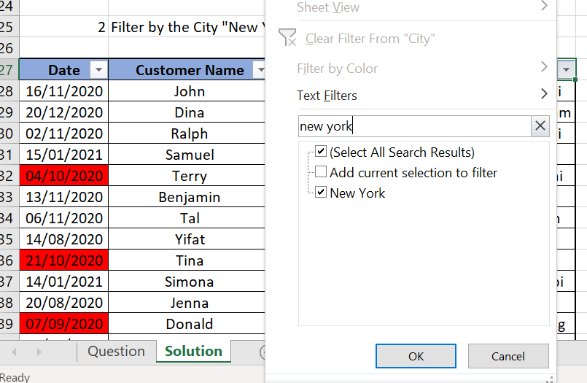
Date | Customer Name | Product | Price | City
2021-01-15 | Samuel | Microwave | 346 | New York
2020-10-25 | Lawrence | Washing Machine | 315 | New York

Solution 3
 |  |  |  |  |  | All rights reserved
 |  |  |  |  |  | www.excel-practice-online.com

3 | Filter by dates between October 15, 2020 until December 15, 2020
 |  |  |  |  | Step 1 |  | Step 2
Date | Customer Name | Product | Price | City
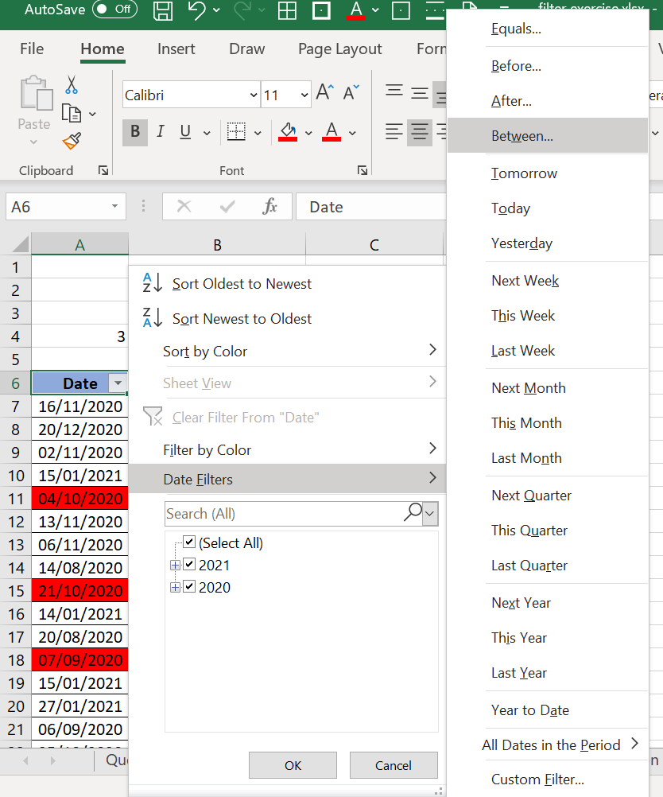
2020-11-16 | John | Washing Machine | 348 | New Delhi
2020-11-02 | Ralph | Oven | 342 | New Delhi
2020-11-13 | Benjamin | Dish Washer | 232 | Tel Aviv
2020-11-06 | Tal | Washing Machine | 265 | Jerusalem
2020-10-21 | Tina | Dish Washer | 282 | Dubai
2020-10-25 | Lawrence | Washing Machine | 315 | New York
2020-10-22 | Drake | Dish Washer | 331 | London
2020-11-17 | Kirk | Washing Machine | 386 | Moscow

Solution 4
 |  |  |  |  | All rights reserved
 |  |  |  |  | www.excel-practice-online.com
4 | Filter by Oven and Food Processor
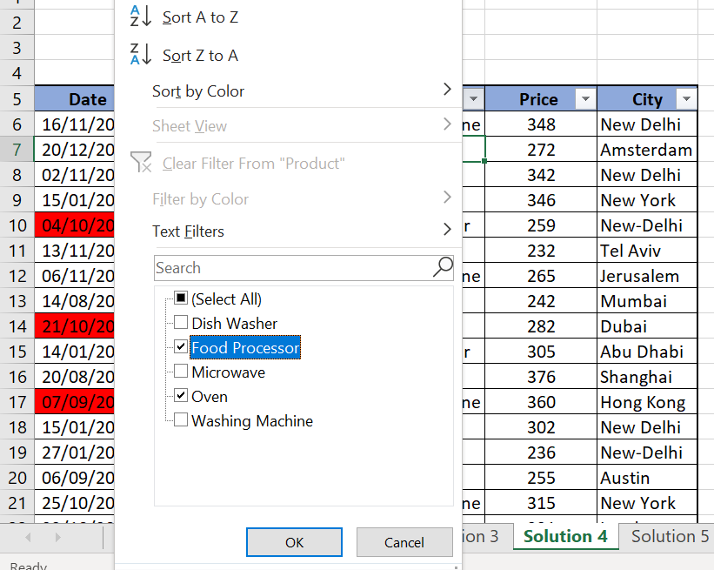
Date | Customer Name | Product | Price | City
2020-11-02 | Ralph | Oven | 342 | New Delhi
2020-10-04 | Terry | Food Processor | 259 | New-Delhi
2020-08-14 | Yifat | Oven | 242 | Mumbai
2021-01-14 | Simona | Food Processor | 305 | Abu Dhabi
2021-01-15 | Joe | Oven | 302 | New Delhi

Solution 5
 |  |  |  |  | All rights reserved
 |  |  |  |  | www.excel-practice-online.com

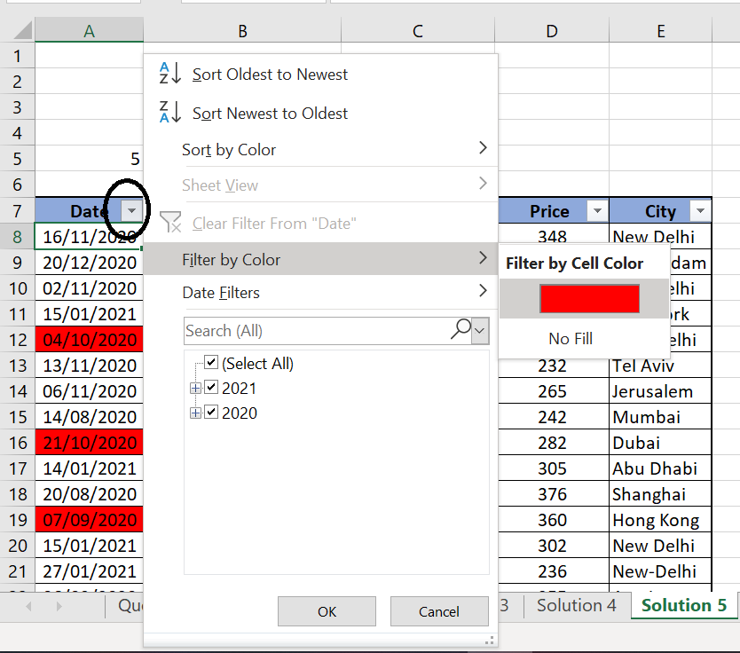
5 | Filter by the Red Color in the Date column

Date | Customer Name | Product | Price | City
2020-10-04 | Terry | Food Processor | 259 | New-Delhi
2020-10-21 | Tina | Dish Washer | 282 | Dubai
2020-09-07 | Donald | Washing Machine | 360 | Hong Kong

